MENS

 |  | Row Labels | COLOR |  | ORG WHOLESALE | 8 | 8.5 | 9 | 9.5 | 10 | 10.5 | 11 | 11.5 | 12 | 12.5 | 13 | 14 | 15 | 16 | Grand Total
NEW BALANCE | MENS | BBOMNXST | White/Tea | 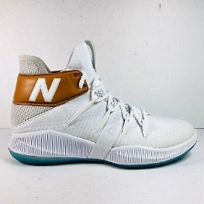 | $77.00 | 4 | 5 | 43 | 52 | 85 | 129 | 171 | 102 | 170 | 24 | 151 | 53 | 25 | 2 | 1016
 |  |  |  |  |  | 5.5 | 6 | 6.5 | 7 | 7.5 | 8 | 8.5 | 9 | 9.5 | 10 | 10.5 | 11 | 12
NEW BALANCE | WOMENS | WBOMN1TS | White/Tea | 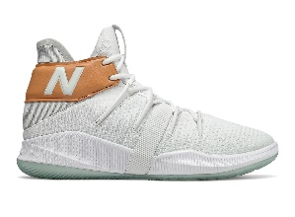 | $77.00 | 13 | 1 | 3 | 16 | 24 | 37 | 53 | 52 | 42 | 38 |  | 10 | 15 |  | 304

